Ex 1
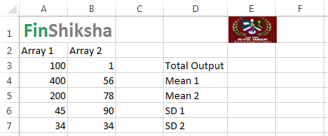
Create a macro called basic_math to perform mathematical functions like product, sum and Statistical measures like average and standard deviation of an Array using the below data:

Ex 2
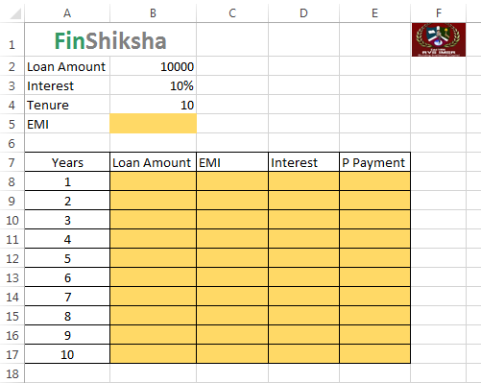
Create a macro to calculate the EMI and repayment schedule for the below data:

